Feuil1
 | Aster-15 | Aster-30 |  |  |  | 4.82 | 98.387096774
Dart length | 2.7 | 2.7 |  |  | ASTER-30 | 4.66 | 95.161290323
Dart diameter | 0.18 | 0.18 |  |  |  | 4.50 | 91.935483871
Dart wingspan | 0,49/0,62 | 0,49/0,62 |  | dl = | 0.15806451613 | 4.35 | 88.709677419
Dart mass | 140 | 140 |  |  |  | 4.19 | 85.483870968 | 62.2406639
Overall mass | 310 | 350 |  |  |  | 4.03 | 82.258064516
Overall length | 4.2 | 4.9 |  |  |  | 3.87 | 79.032258065
Booster diameter | 0.36 | 0.36 |  |  |  | 3.71 | 75.806451613
Booster wingspan | 0,42/0,93 | 0,42/0,93 |  |  |  | 3.56 | 72.580645161
Terminal speed | M3 | M4,5 |  |  |  | 3.40 | 69.35483871
Manoeuvrability | >60g | >60g |  |  |  | 3.24 | 66.129032258
Intercept altitude | 13 | 20 | km |  |  | 3.08 | 62.903225806
Range | 1,7-30 | 3-100 | km |  |  | 2.92 | 59.677419355
Booster length | 1.5 | 2.2 | m |  |  | 2.77 | 56.451612903
Booster mass | 170 | 210 | kg |  |  | 2.61 | 53.225806452
Dart internal diam. | 0.16 | 0.16 | m |  |  | 2.45 | 50
Boost internal diam. | 0.34 | 0.34 | m |  |  | 2.29 | 46.774193548
E | 70 | 70 | Gpa |  |  | 2.13 | 43.548387097 | cg = | 2.07
I dart | 1.9E-05 | 1.9E-05 | m^4 |  |  | 1.98 | 40.322580645
I booster | 1.7E-04 | 1.7E-04 | m^4 |  |  | 1.82 | 37.096774194
I(cg) |  | 687 | kg.m² |  |  | 1.66 | 33.870967742
ASTER Lat_Thrust |  | 26000 | N |  |  | 1.50 | 30.64516129
Mfz_max |  | 16350 | Nm |  |  | 1.34 | 27.419354839
masseAlu |  | 104.24746902 | kg |  |  | 1.19 | 24.193548387
 |  |  |  |  |  | 1.03 | 20.967741935
 |  |  |  |  |  | 0.87 | 17.741935484
 | Aluminiium |  | Carbon fiber |  |  | 0.71 | 14.516129032
Structural mode n° | Hz | rad/s | Hz | rad/s |  | 0.55 | 11.290322581
1 | 26 | 164 | 41 | 258 |  | 0.40 | 8.064516129
2 | 89 | 558 | 140 | 877 |  | 0.24 | 4.8387096774
3 | 184 | 1159 | 292 | 1835 |  | 0.08 | 1.6129032258
4 | 282 | 1769 | 444 | 2792
5 | 440 | 2765 | 693 | 4352
6 | 618 | 3880 | 979 | 6151
7 | 792 | 4979 | 1249 | 7847
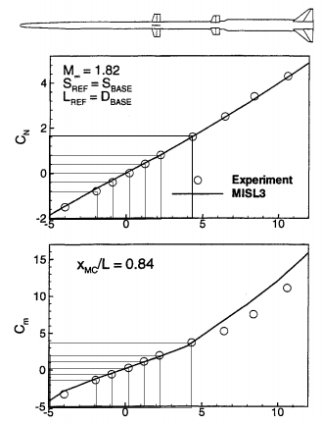
8 | 1055 | 6628 | 1662 | 10441
9 | 1303 | 8190 | 2067 | 12990
10 | 1567 | 9847 | 2468 | 15505
…

AoA (°) | AoA (rad) | CL | CmN
-1.9 | -0.033161255788 | -0.8 | -1.2 | -0.20835831513
-0.9 | -0.015707963268 | -0.4 | -0.5 | -0.098696044011
0.2 | 0.003490658504 | 0 | 0.2 | 0.021932454225
1.2 | 0.020943951024 | 0.4 | 1.1 | 0.13159472535
2.2 | 0.038397243544 | 0.8 | 2 | 0.24125699647
4.3 | 0.075049157836 | 1.6 | 3.8 | 0.47154776583

Clalpha | 22.2
CL0
Cnalpha
CN0

